Columns
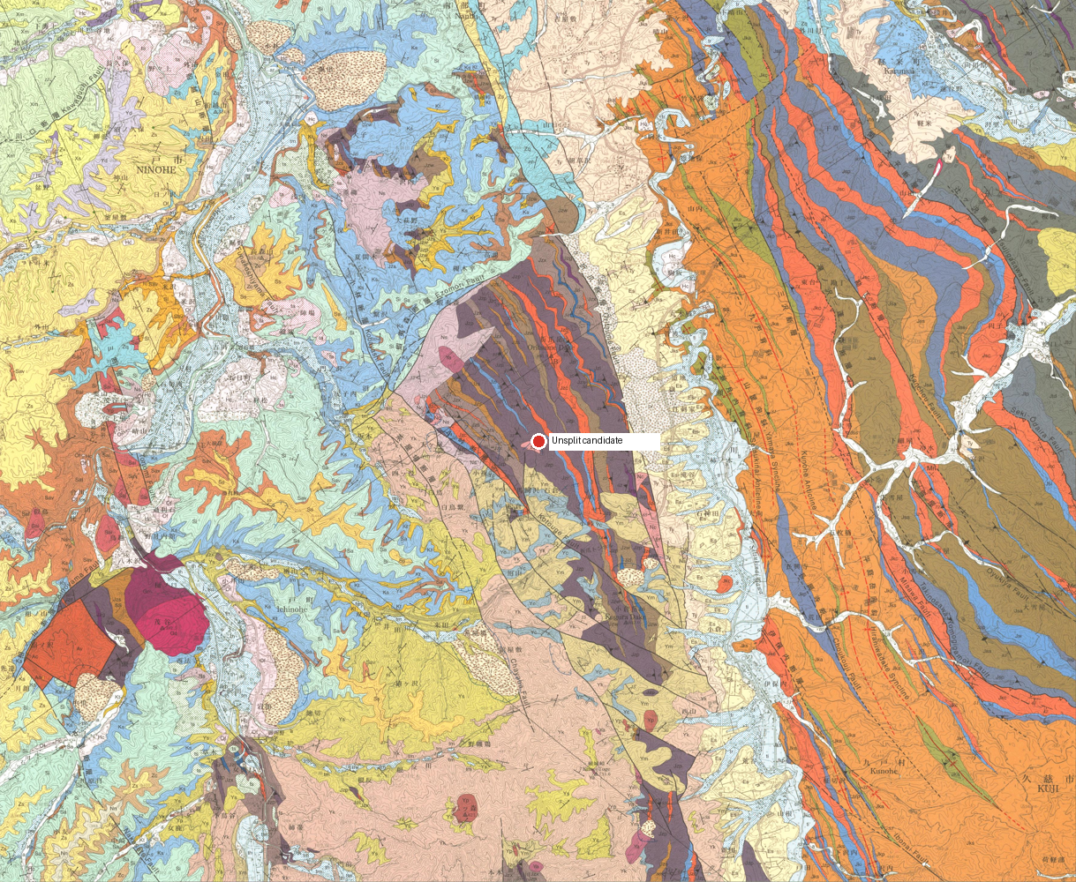
col_id | col_name | region_basis | lat | lng | geom | rgeom | evidence | status | ref_ids
unsplit | Unsplit candidate | No validated Column proposal is available. | 40.2527666 | 141.3714112 |  |  | Map verification: GSJ map-bbox candidate; inside assigned region: no. | CHECK | gsj1286

